Dashboard1
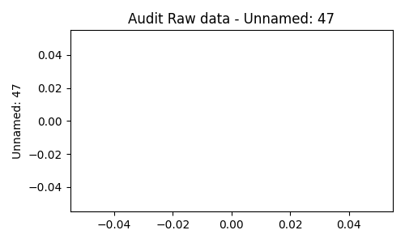
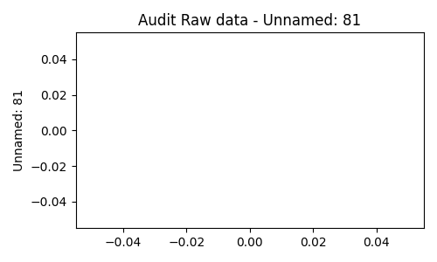





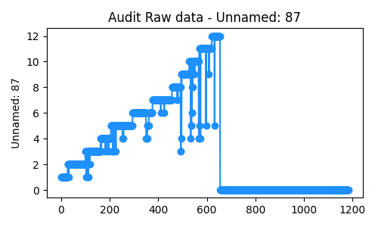
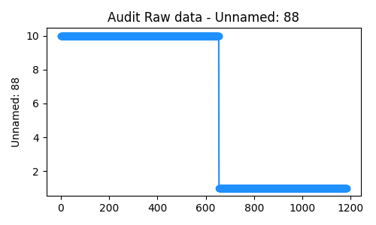
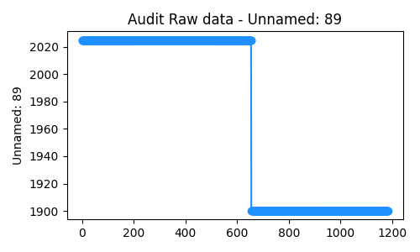
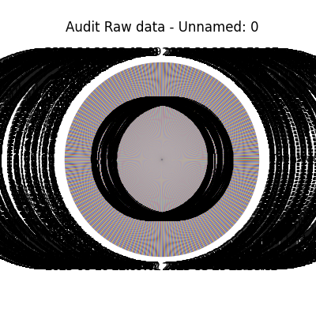
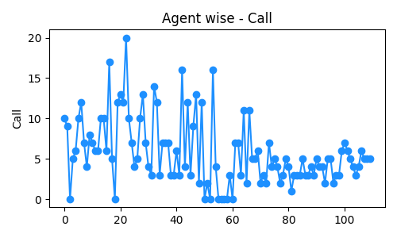
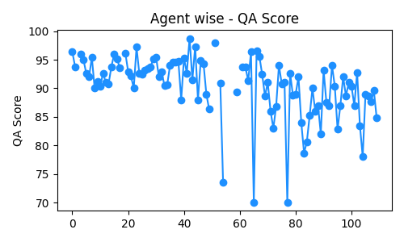
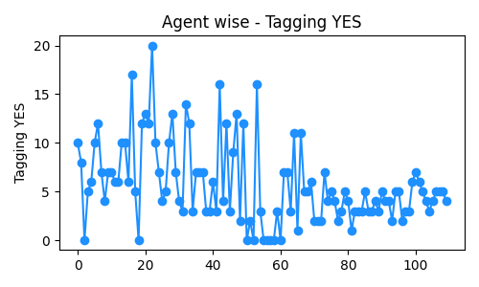
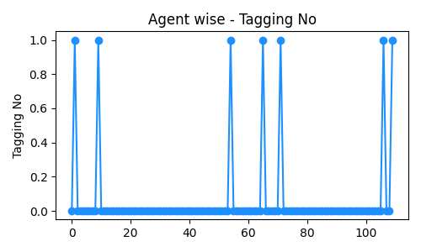
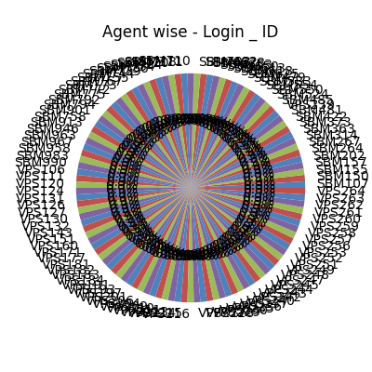
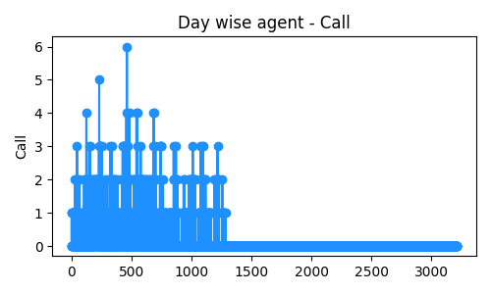
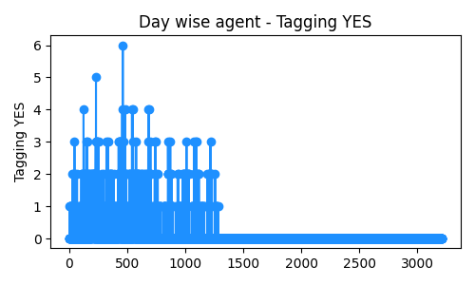
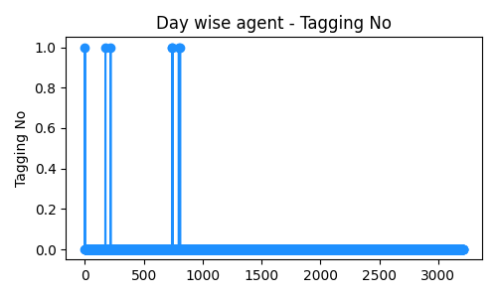
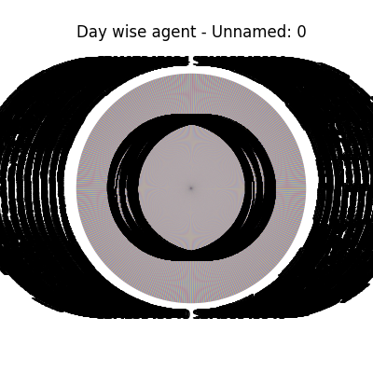
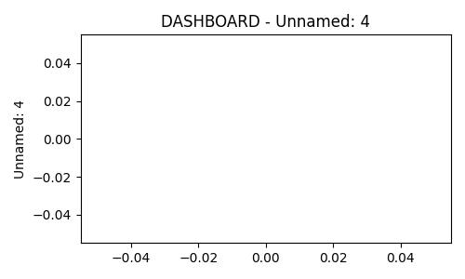

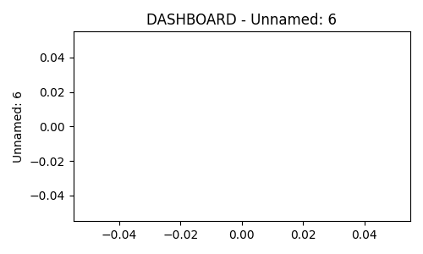



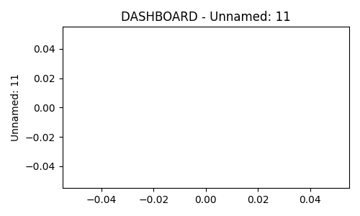



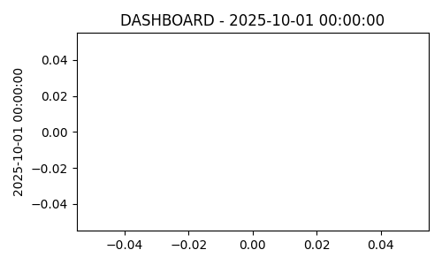

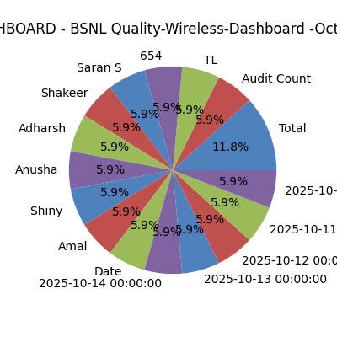
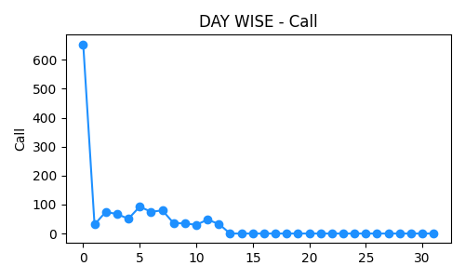
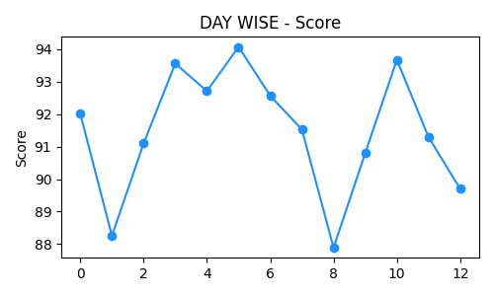

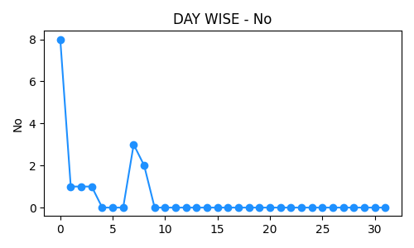
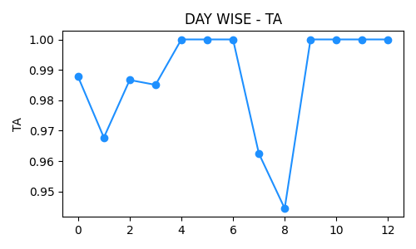
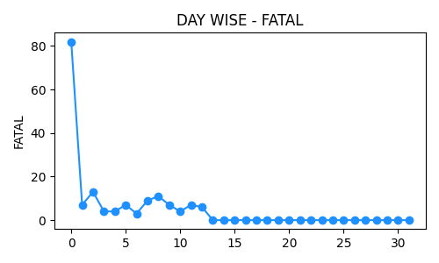
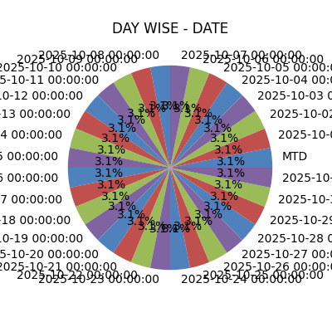
QA Performance Dashboard

Audit Raw data
Average Score |  | Total Defects
Min Score
Max Score

Agent wise
Average Score |  | Total Defects
Min Score
Max Score

Day wise agent
Average Score |  | Total Defects
Min Score
Max Score

DASHBOARD
Average Score |  | Total Defects
Min Score
Max Score

DAY WISE
Average Score | 91.47 | Total Defects
Min Score | 87.888888889
Max Score | 94.064516129

DASHBOARD
BSNL Quality-Wireless-Dashboard -Oct-2025 |  |  |  |  |  |  | 1-Oct-25

Audit Count |  |  | MTD Tagging Accuracy |  | MTD - CQ Score | FTD CQ Score -00-01
875 |  |  | 98.1% |  | 91.8 | 90.90

TL | Count | MTD Score | FTD Score
Anusha | 25 | 87.9 | 0
Saran S | 187 | 90.6 | 14 | 90.1
Shakeer | 143 | 91.4 | 15 | 93.3
Adharsh | 141 | 90.2 | 21 | 89.4
Shiny | 166 | 92.3 | 17 | 91.3
Amal | 190 | 93.8 | 20 | 90.6
Total | 852 | 91.8 | 87 | 93.0
Date | Count | FTD Score | Fatal Calls
15-Oct-25 | 89 | 91 | 13
14-Oct-25 | 48 | 92 | 7
13-Oct-25 | 54 | 90 | 9
12-Oct-25 | 47 | 91 | 6
11-Oct-25 | 53 | 91 | 8
Total | 291 | 91.0 | 43

